1. Title Page
[Instacart Basket Analysis]

Project Name: Instacart Basket Analysis
Date:29.06.2024
Analyst Name: Blessing Osimahon

Contents: | Data source
Population Flow | The data was provided by CareerFoundry from
Consistency checks | "Instacart Online Grocery Shopping Dataset 2017",
Wrangling steps | The dataset was accessed from www.instacart.com/datasets/grocery-shopping-2017
Column derivations | via Kaggle on 10.05.2024
Visualizations
Recommendations

2. Population Flow
Title page

Population flow

Exclusion flag
Condition: ords_prods_customer_merged.loc[ords_prods_customer_merged['max_order'] < 5, 'exclusion_flag'] = 'low_activity'ords_prods_customer_merged.loc[ords_prods_customer_merged['max_order'] > 5, 'exclusion_flag'] = 'high_activity'
Obervations to be removed: Removed the low_activity customers, since we are paying more attention to the high_activity customers
Final total count of order_products_all: 32,404,859

Orders_products_combined
Orders_products_merged
Orders_products_all

Total: 32,404,859
Total: 32,,434,489
Total: 32,404,859

1.) The grey boxes in the first row of the population flow represent the original data sets as they were when you downloaded them. In the Total fields you need to add the count of the rows when you imported the data set into Jupyter.
2.) The second row of boxes (coloured) represents the data sets after you manipulated them, e.g., removed missing values and duplicates. In the Total fields you need to add the count of the rows after conducting these operations. This offers a visual oveview of how the data flows throughout the data consistency checks.
3.) The third row, where also the arrows are coloured, represents the merges you performed between the datasets. In the Total fields you need to add the count of the rows in the merged datasets, so that you end up with the final dataset (in the red box). Keep in mind the final dataset should be without exclusions (based on the exclusion flag).

3. Consistency checks
 |  |  |  | Title page
Consistency checks

Dataset | Missing values | Missing values treatment | Duplicates
orders | 206,209 (days_since_prior_order) | New variable as a flag | none |  | we have missing values in the column days_since_prior_order, but I created a new variable that acts like a flag based on the missing value. What we can do here is to create a new boolean column, for example, "new_customer", which will be True if NaN and False if not. You do not have to change anything in the column days_since_prior_order, just create a new column and name it "new_customer" and fill it with TRUE and FALSE based on missing values.
products | 16 (NaN from the product_name) | Removing missing values | 5 |  | The column with the missing values in the products is the product_name
orders_products_prior | none | not needed | none
customers | 11,259 first names | I ignored them | none

4. Wrangling steps
 |  |  |  | Title page
Wrangling steps

Columns dropped | Columns renamed | Columns' type changed | Comment/Reason

eval_set from the orders data frame |  |  | Eval_set has one value "prior" which indicates that this was the prior data set released by Instacart. This makes it a bit irrelevant for the project
 | order_dow from the orders_data frame |  | I changed the order_dow to days of the week because dow lacks immediate understanding or clarity
 |  | order_id from the order data frame | Changed the order_id data type to string because they do not represent real numeric values, rather just keys related to specific orders and users.
 |  | days_since_prior_order from the order data frame | Changed the data type to a string
gender from the customers data frame |  |  | I dropped the gender from the customers data frame because the gender of a customer has nothing to do with the products
 | First_name from the customer data frame |  | Changed to first_name
 | Surnam from the customer data frame |  | Changed to surname
 | STATE from the customer data frame |  | Changed to state
 | Age from the customer data frame |  | Changed to age
 | n_dependants from the customer data frame |  | Changed to number_ of_dependants
 | fam_status from the customer data frame |  | Changed to family_status
 |  | order_id from the ords_prods_customer_merged data frame | Changed from int64 to int8 to avoid memory error
 |  | user_id from the ords_prods_customer_merged data frame | Changed from int64 to int8 to avoid memory error
 |  | order_number from the ords_prods_customer_merged data frame | Changed from int64 to int8 to avoid memory error
 |  | order_day_of_week | Changed from int64 to int8 to avoid memory error
 |  | order_hour_of_day from the ords_prods_customer_merged data frame | Changed from int64 to int8 to avoid memory error
 |  | days_since_prior_order from the ords_prods_customer_merged data frame | Changed from float64 to float32 to avoid memory error
 |  | product_id from the ords_prods_customer_merged data frame | Changed from int64 to int8 to avoid memory error
 |  | add_to_cart_order from the ords_prods_customer_merged data frame | Changed from int64 to int8 to avoid memory error
 |  | reordered from the ords_prods_customer_merged data frame | Changed from int64 to int8 to avoid memory error
 |  | aisle_id from the ords_prods_customer_merged data frame | Changed from int64 to int8 to avoid memory error
 |  | department_Id from the ords_prods_customer_merged data frame | Changed from int64 to int8 to avoid memory error
 |  | prices from the ords_prods_customer_merged data frame | Changed from float64 to float32 to avoid memory error
 |  | max_order from the ords_prods_customer_merged data frame | Changed from int64 to int8 to avoid memory error
 |  | spender_types from the ords_prods_customer_merged data frame | Changed from float64 to float32 to avoid memory error
 |  | customer_frequency from the ords_prods_customer_merged data frame | Changed from float64 to float32 to avoid memory error

5. Column derivations
 |  |  |  | Title page

Column derivations and aggregations

In this tab you should add tables below that the frequences of flags/label variables that you produced after deriving them. NB: don't do this for continuous variables, only for flags.
Dataset | New column | Column/s it was derived from | Conditions
ords_prods_merge | price range | price_label | if row['prices'] <= 5 : return 'Low-range product' elif (row['prices'] > 5) and (row['prices'] <= 15) : return 'Mid-range product' elif row['prices'] > 15 : return 'High range' else: return np.nan

ords_prods_merge | busiest day | order_day_of_week | result = [] for value in ords_prods_merge["order_dow"]: if value == 0: result.append("Busiest day") elif value == 4: result.append("Least busy") else: result.append("Regularly busy")

ords_prods_merge | busiest days | order_day_of_week | result = [] for value in ords_prods_merge["order_dow"]: if value == 0 or value == 1: result.append("Busiest days") elif value == 3 or value == 4: result.append("Slowest days") else: result.append("Regularly busy")

ords_prods_merge | busiest_period_of_day | order_hour_of_day | result = [] for value in ords_prods_merge["order_hour_of_day"]: if value in [10,11,12,13,14,15,16,9]: result.append("Most orders") elif value in [0,1,2,3,4,5,6,7,20,21,22,23]: result.append("Fewest orders") else: result.append("Average orders")

ords_prods_merge | max_order | user_id, order_number | The maximum number of orders per user_id

ords_prods_merge | Loyalty_flag | max_order | # If the maximum orders the user has made is over 40, then the customer will be labeled a “Loyal customer.” ords_prods_merge.loc[ords_prods_merge['max_order'] > 40, 'loyalty_flag'] = 'Loyal customer' # If the maximum orders the user has made is over 10 but less than or equal to 40, then the customer will be labeled a “Regular customer.” ords_prods_merge.loc[(ords_prods_merge['max_order'] <= 40) & (ords_prods_merge['max_order'] > 10), 'loyalty_flag'] = 'Regular customer' #If the maximum orders the user has made is less than or equal to 10, then the customer will be labeled a “New customer.” ords_prods_merge.loc[ords_prods_merge['max_order'] <= 10, 'loyalty_flag'] = 'New customer'

ords_prods_merge | spender_types | user_id, prices | If the mean of the prices of products purchased by a user is lower than 10, then flag them as a “Low spender and # If the mean of the prices of products purchased by a user is higher than or equal to 10, then flag them as a “High spender.”

ords_prods_merge | spender_flag | spender_types | ords_prods_merge.loc[ords_prods_merge['spender_types'] < 10, 'spender_flag'] = 'Low spender', and ords_prods_merge.loc[ords_prods_merge['spender_types'] >= 10, 'spender_flag'] = 'High spender'

ords_prods_merge | customer_frequency and frequency_flag | user_id, days_since_prior_order | # If the median of “days_since_prior_order” is higher than 20, then the customer should be labeled a “Non-frequent customer.” ords_prods_merge.loc[ords_prods_merge['customer_frequency'] > 20, 'frequency_flag'] = 'Non-frequent customer' # If the median is higher than 10 and lower than or equal to 20, then the customer should be labeled a “Regular customer.” ords_prods_merge.loc[(ords_prods_merge['customer_frequency'] <= 20) & (ords_prods_merge['customer_frequency'] > 10), 'frequency_flag'] = 'Regular customer' # If the median is lower than or equal to 10, then the customer should be labeled a “Frequent customer.” ords_prods_merge.loc[ords_prods_merge['customer_frequency'] <= 10, 'frequency_flag'] = 'Frequent customer'

ords_prods_customer_merged | region | state | # Define states by region northeast = ['Connecticut', 'Maine', 'Massachusetts', 'New Hampshire', 'Rhode Island', 'Vermont', 'New Jersey', 'New York', 'Pennsylvania'] midwest = ['Illinois', 'Indiana', 'Michigan', 'Ohio', 'Wisconsin', 'Iowa', 'Kansas', 'Minnesota', 'Missouri', 'Nebraska', 'North Dakota', 'South Dakota'] south = ['Delaware', 'Florida', 'Georgia', 'Maryland', 'North Carolina', 'South Carolina', 'Virginia', 'District of Columbia', 'West Virginia', 'Alabama', 'Kentucky', 'Mississippi', 'Tennessee', 'Arkansas', 'Louisiana', 'Oklahoma', 'Texas'] west = ['Arizona', 'Colorado', 'Idaho', 'Montana', 'Nevada', 'New Mexico', 'Utah', 'Wyoming', 'Alaska', 'California', 'Hawaii', 'Oregon', 'Washington']
 |  |  | # Assign regions based on the state ords_prods_customer_merged.loc[ords_prods_customer_merged['state'].isin(northeast), 'region'] = 'Northeast' ords_prods_customer_merged.loc[ords_prods_customer_merged['state'].isin(midwest), 'region'] = 'Midwest' ords_prods_customer_merged.loc[ords_prods_customer_merged['state'].isin(south), 'region'] = 'South' ords_prods_customer_merged.loc[ords_prods_customer_merged['state'].isin(west), 'region'] = 'West'

ords_prods_customer_merged | exclusion_flag | max_order | ords_prods_customer_merged.loc[ords_prods_customer_merged['max_order'] < 5, 'exclusion_flag'] = 'low_activity' ords_prods_customer_merged.loc[ords_prods_customer_merged['max_order'] > 5, 'exclusion_flag'] = 'high_activity'

ords_prods_customer_merged_high_activity_customers | age_bracket | age | # If the age of the customer is over 60, then the customer will be labeled “old_aged_adults.” ords_prods_customer_merged_high_activity_customers.loc[ords_prods_customer_merged_high_activity_customers['age'] > 60, 'age_bracket'] = 'old_aged_adults' # If the age of the customer is over 30 but less than or equal to 60, then the customer will be labeled a “middle aged.” ords_prods_customer_merged_high_activity_customers.loc[(ords_prods_customer_merged_high_activity_customers['age'] <= 60) & (ords_prods_customer_merged_high_activity_customers['age'] > 30), 'age_bracket'] = 'middle_aged' #If the age of the customer is less than or equal to 30, then the customer will be labeled a “young_adults.” ords_prods_customer_merged_high_activity_customers.loc[ords_prods_customer_merged_high_activity_customers['age'] <= 30, 'age_bracket'] = 'young_adults'

ords_prods_customer_merged_high_activity_customers | income_earners | income | ords_prods_customer_merged_high_activity_customers.loc[ords_prods_customer_merged_high_activity_customers['income'] <= 50000, 'income_earners'] = 'Low earner' ords_prods_customer_merged_high_activity_customers.loc[(ords_prods_customer_merged_high_activity_customers['income'] > 50000) & (ords_prods_customer_merged_high_activity_customers['income'] < 150000), 'income_earners'] = 'Mid earner' ords_prods_customer_merged_high_activity_customers.loc[ords_prods_customer_merged_high_activity_customers['income'] >= 150000, 'income_earners'] = 'High earner'

ords_prods_customer_merged_high_activity_customers | department_group | department_id | ords_prods_customer_merged_high_activity_customers.loc[ords_prods_customer_merged_high_activity_customers['department_id']== 17, 'department_group'] = 'Household items' ords_prods_customer_merged_high_activity_customers.loc[ords_prods_customer_merged_high_activity_customers['department_id']== 4, 'department_group'] = 'Produce' ords_prods_customer_merged_high_activity_customers.loc[ords_prods_customer_merged_high_activity_customers['department_id'].isin([3, 7, 15]), 'department_group'] = 'Fast foods' ords_prods_customer_merged_high_activity_customers.loc[ords_prods_customer_merged_high_activity_customers['department_id'].isin([5,19]), 'department_group'] = 'Refreshments'

ords_prods_customer_merged_high_activity_customers | group_day | order_day_of_week | ords_prods_customer_merged_high_activity_customers.loc[ords_prods_customer_merged_high_activity_customers['order_day_of_week'].isin([0,1]), 'group_day'] = 'Weekend' ords_prods_customer_merged_high_activity_customers.loc[ords_prods_customer_merged_high_activity_customers['order_day_of_week'].isin([2,3,4,5,6]), 'group_day'] = 'Weekday'

ords_prods_customer_merged_high_activity_customers | hour_group | order_Hour_of_day | ords_prods_customer_merged_high_activity_customers.loc[ (ords_prods_customer_merged_high_activity_customers['order_hour_of_day'] >= 6) & (ords_prods_customer_merged_high_activity_customers['order_hour_of_day'] <= 12), 'hour_group'] = 'Morning Shopper' ords_prods_customer_merged_high_activity_customers.loc[ (ords_prods_customer_merged_high_activity_customers['order_hour_of_day'] > 12) & (ords_prods_customer_merged_high_activity_customers['order_hour_of_day'] <= 18), 'hour_group'] = 'Afternoon Shopper' ords_prods_customer_merged_high_activity_customers.loc[ (ords_prods_customer_merged_high_activity_customers['order_hour_of_day'] > 18) & (ords_prods_customer_merged_high_activity_customers['order_hour_of_day'] <= 22), 'hour_group'] = 'Night Shopper' ords_prods_customer_merged_high_activity_customers.loc[ (ords_prods_customer_merged_high_activity_customers['order_hour_of_day'] > 22) | (ords_prods_customer_merged_high_activity_customers['order_hour_of_day'] < 6), 'hour_group'] = 'Late Night Shopper'

ords_prods_customer_merged_high_activity_customers | profile | number_of_dependants | ords_prods_customer_merged_high_activity_customers.loc[ (ords_prods_customer_merged_high_activity_customers['number_of_dependants'] == 0) & (ords_prods_customer_merged_high_activity_customers['age'] <= 30), 'profile'] = 'Single Adult' # If the customer has one or more dependents and is less than or equal to 30 years old, label them as “Young Parent.” ords_prods_customer_merged_high_activity_customers.loc[ (ords_prods_customer_merged_high_activity_customers['number_of_dependants'] > 0) & (ords_prods_customer_merged_high_activity_customers['age'] <= 30), 'profile'] = 'Young Parent'

6. Visualizations
 |  | Title page

Visualisations

In this tab you should include all the visualtions from Exercises 4.9 and 4.10, alongside the questions from the project brief that they answer. Include any commentary on the relationship between different variables.

 | Key questions

Busiest order hour of the day
The sales team needs to know what the busiest days of the week and hours of the
day are (i.e., the days and times with the most orders) in order to schedule ads at
times when there are fewer orders.
Busiest days of the week
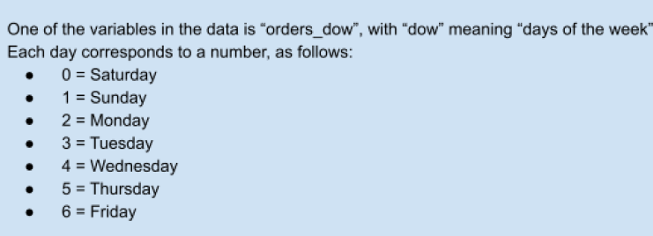

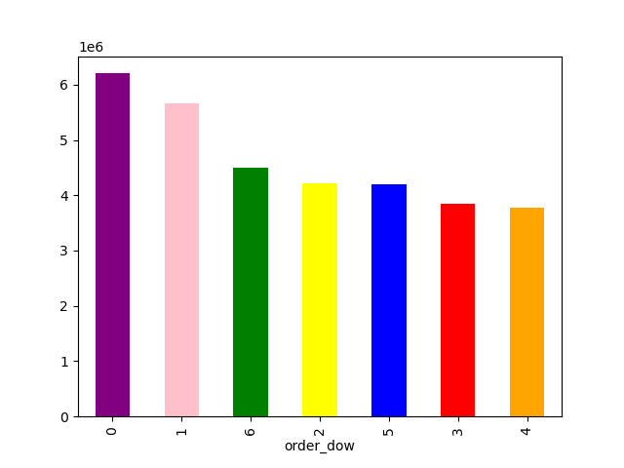


The histogram of "order hour of day" shows a clear trend that the majority of orders are placed between late morning and early afternoon, peaking around midday and early evenings. There are significantly fewer orders placed during early morning and late evening hours.
The bar chart shows the busiest days of the week which are during the weekends (saturday and sunday)

They also want to know whether there are particular times of the day when people
spend the most money, as this might inform the type of products they advertise at
these times.

Busiest time of the day when people order the most

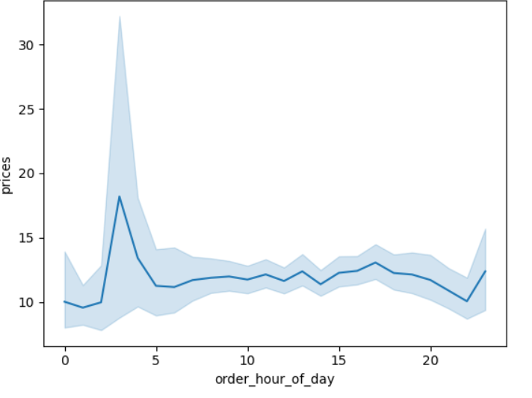

This line plot visualizes the relationship between the order hour of the day (order_hour_of_day) and the prices of the products ordered. The line plot is accompanied by a shaded area, which typically represents the confidence interval or variability around the mean price. There is a noticeable spike in prices around the early morning hours (approximately 3-5 AM). This indicates that the products ordered during these hours tend to have higher average prices.The spike could be due to specific high-priced items being ordered more frequently during this time.

Are there certain types of products that are more popular than others? The marketing
and sales teams want to know which departments have the highest frequency of
product orders.

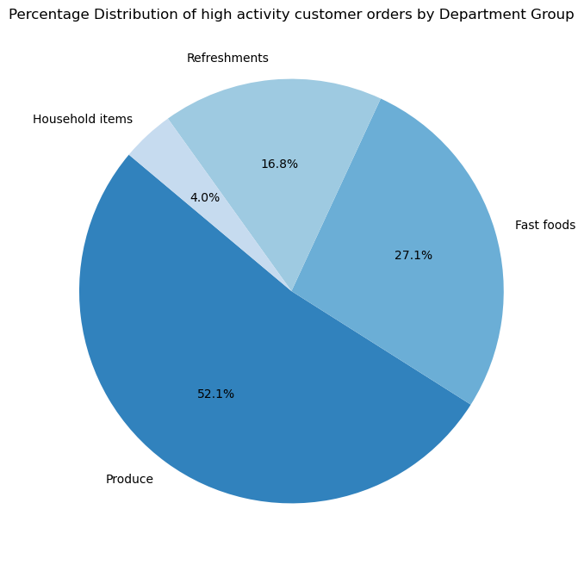

The pie chart shows that the produce department have the highest frequency of product orders. The produce is the most popular.

Are there differences in ordering habits based on a customer’s loyalty status?

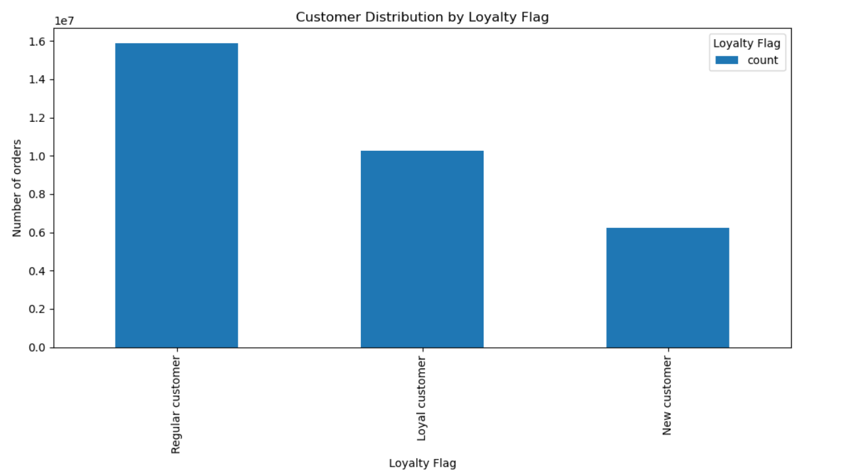

Regular customers are the most frequent orderers, which is typical as they have established a habit of using the service.Loyal customers also contribute significantly, suggesting they are satisfied and continue to use the service.New customers form the smallest proportion, which is expected as they are still in the process of becoming regular users.

Are there differences in ordering habits based on a customer’s region?

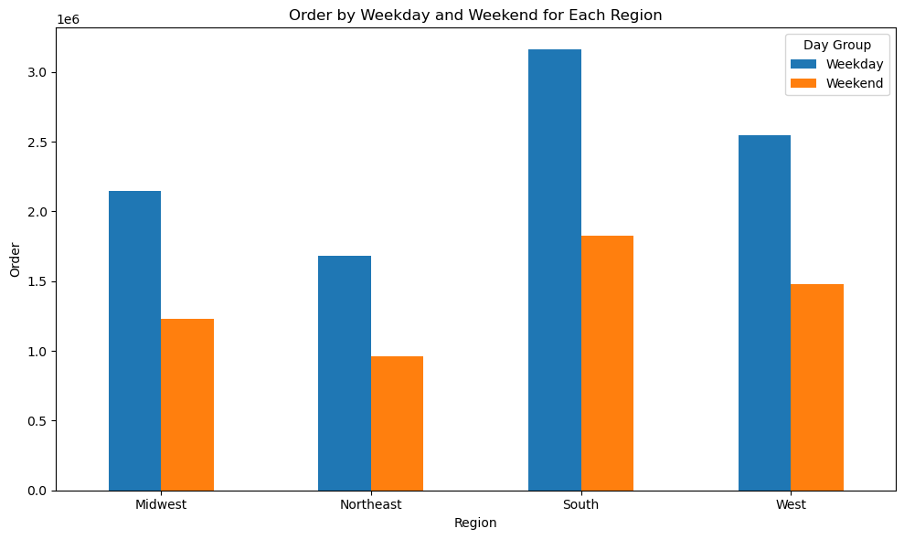
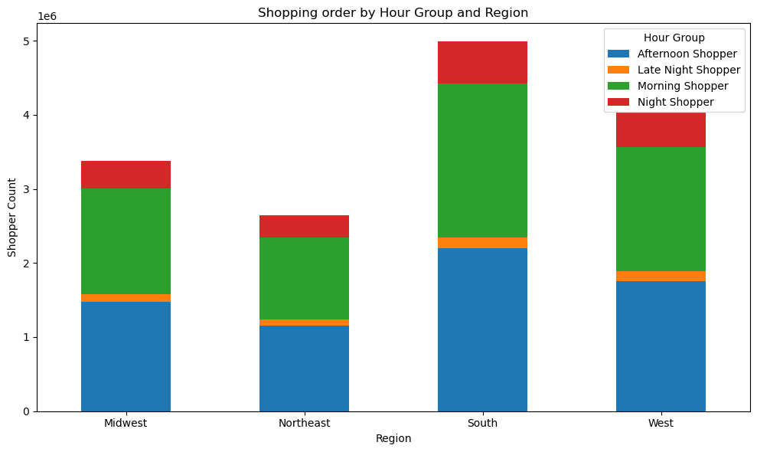
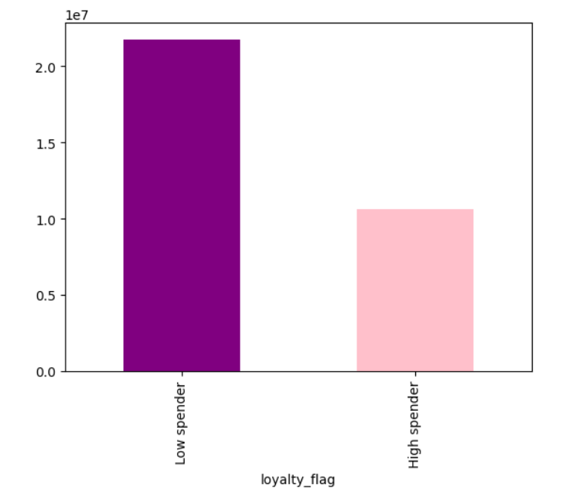

Customers habit order during the week and weekend for each regions shows orders are more predominant in the South. The South region shows the highest number of orders both during the week and on weekends. This indicates a strong customer base in the South. In the Midwest and west regions, Both regions have higher orders during weekdays than weekends, suggesting that customers in these regions prefer ordering on weekdays. Higher orders on weekays might indicate that customers in this region prefer shopping on weekdays.
The South region consistently has the highest number of shoppers across all hour groups, indicating a very active customer base throughout the day and night. The West region also shows significant activity, particularly in the afternoon and morning.The Midwest has a balanced distribution with notable activity in the afternoon and morning.The Northeast has the lowest number of shoppers in each hour group compared to other regions, but still shows consistent shopping habits throughout the day.

Customers are categorized into low and high spenders based on their spending habits. Recent trends show an increase in low spenders and a decrease in high spenders. .

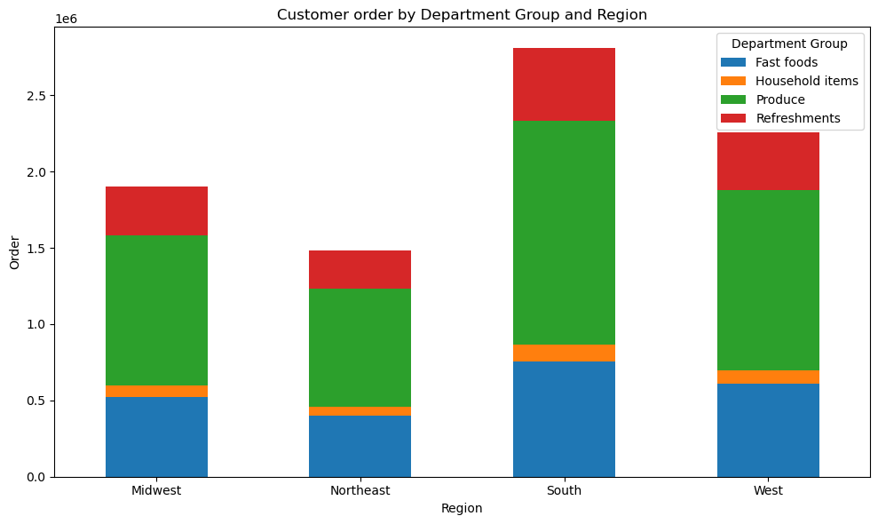
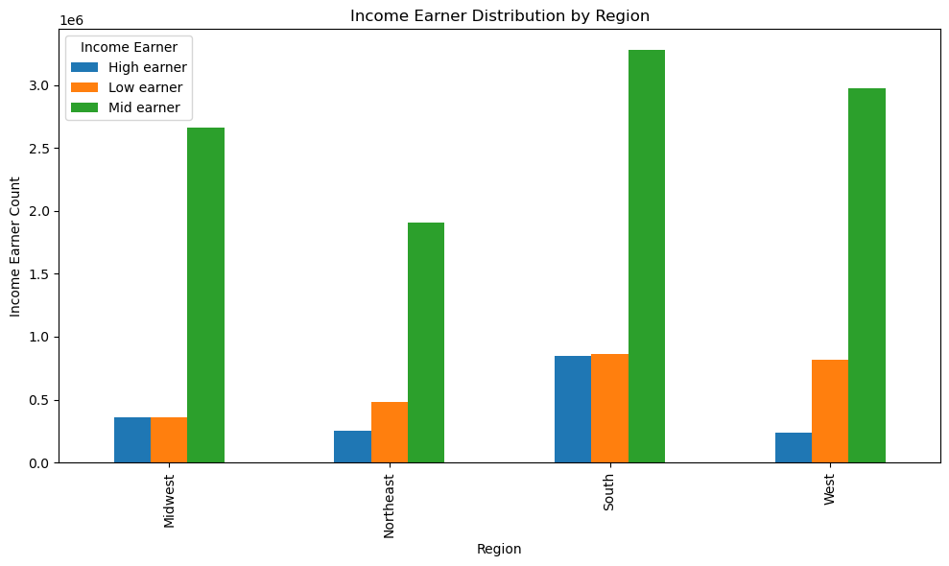
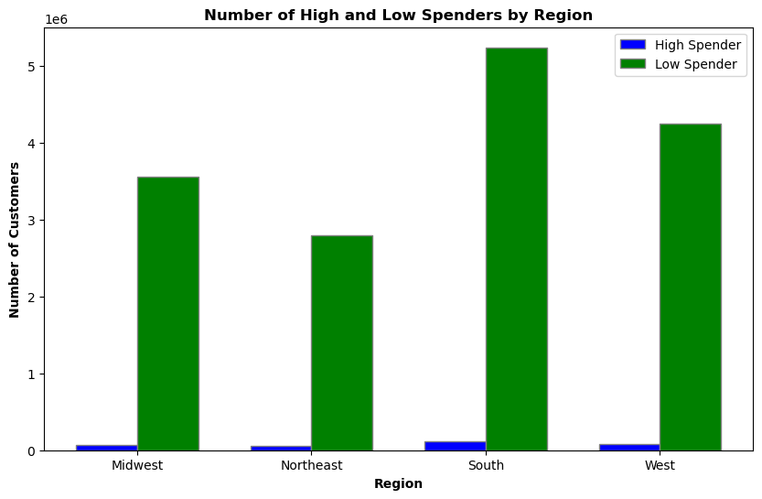

Across four regions—Midwest, Northeast, South, and West—low spenders vastly outnumber high spenders. The Midwest has 72,318 high spenders and 3,552,138 low spenders, while the Northeast has 50,536 high spenders and 2,788,083 low spenders. In the South, there are 110,283 high spenders and 5,237,105 low spenders, and the West has 81,274 high spenders and 4,246,624 low spenders.

The stacked bar chart provides an overview of customer orders in different regions segmented by various department groups. In the Midwest, Fast Foods has the highest number of orders. In the Northeast, the pattern is similar, but with overall lower numbers compared to the Midwest. The South shows the highest activity, especially in Fast Foods and Produce, indicating a strong customer base. Overall, Produce dominates the order distribution across all regions.
The stacked bar chart categorizes income earners by region and income level. It shows the number of high earners, low earners, and mid earners in each region: Midwest, Northeast, South, and West. This pattern repeats for each region, providing a breakdown of income distribution across different parts of the regions.

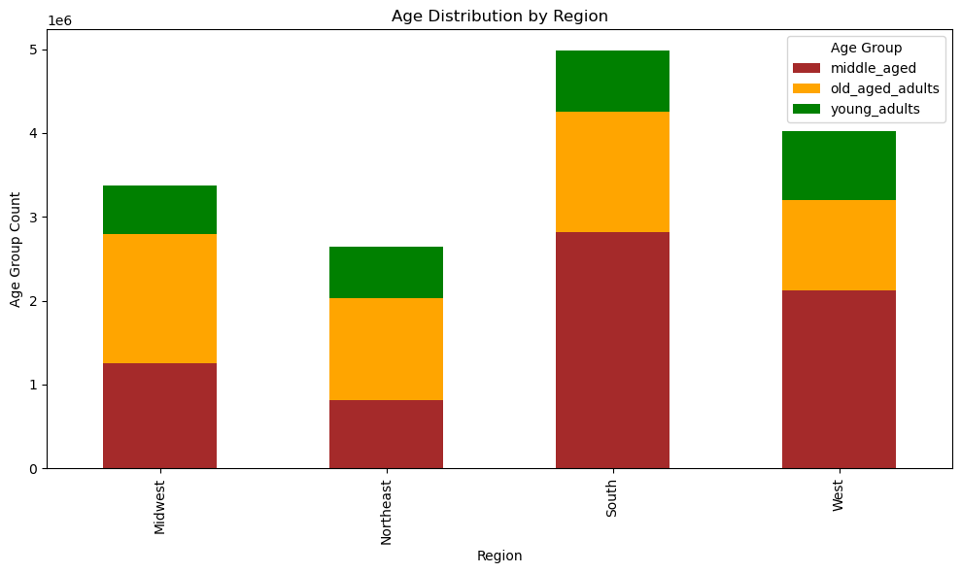

The stacked bar chart summarizes age demographics across four U.S. regions: Midwest, Northeast, South, and West, categorizing customers into middle-aged adults, old-aged adults, and young adults. The South generally shows the highest numbers in all age categories, while the Northeast and West exhibit moderate variations across these groups.

 | Connection between age and Instacart Distribution of high activity customers |  | Connection between age and number of dependants | Connection between age and customers income

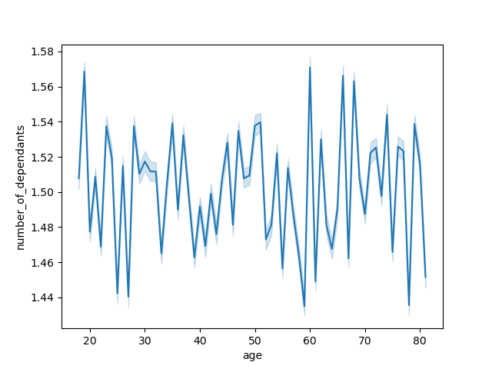

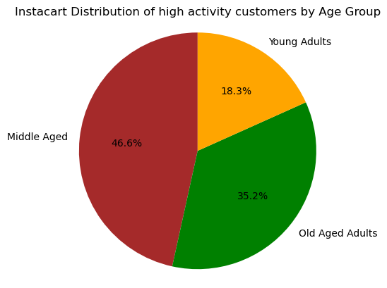

There is a wide range of income among all the age groups, particularly age groups between 40 and 80. We can also see that there is an upward trend in the spending power, having so many data points concentrated within 40 to 80. This could imply that, from around age 40 onwards, there is a noticeable increase in income levels and that income tends to increase as people get older. The scatterplot visually represents these trends, indicating potential increases in income with age.
This distribution suggests that Instacart's service is particularly popular among middle-aged and older customers, who collectively represent over 80% of high-activity users.
There is obviously no clear comnection between age and the number of dependants. If the line slopes upwards as age increases, this might actually suggest there may be a positive correlation between age and the number of dependants, and if the line slopes downwards, it suggests a negative correlation where older individuals tend to have fewer dependants.

 | What differences can one find in ordering habits of different customer profiles considering the department

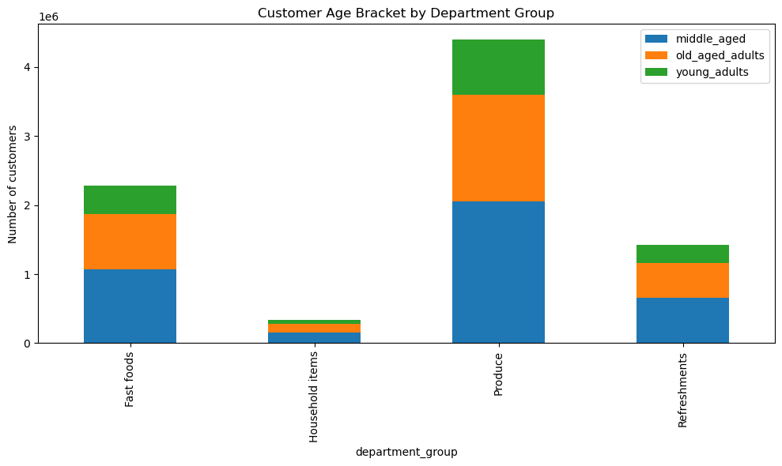
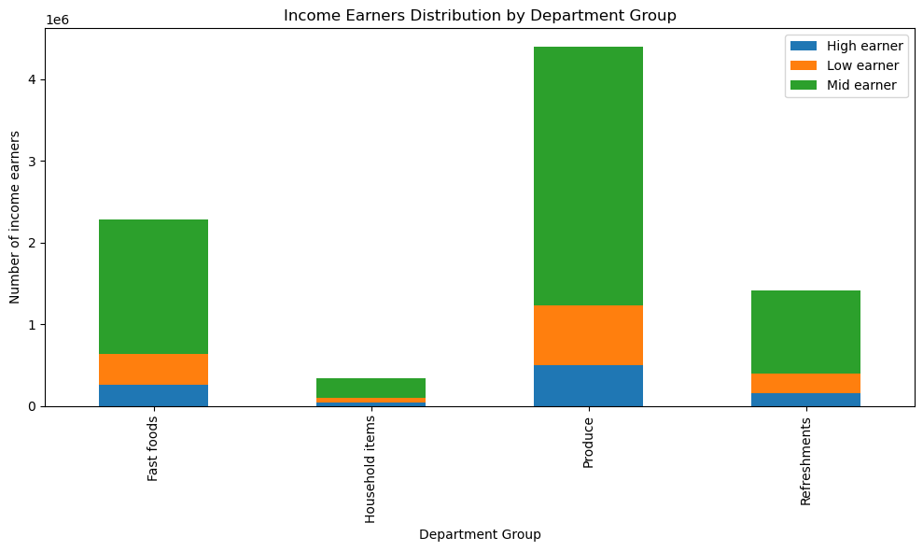

The stacked bar chart suggests that the produce is widely ordered cutting accross all age brackets.
The stacked bar chart suggests that the produce is widely ordered across all income earners most especially the high income earners.

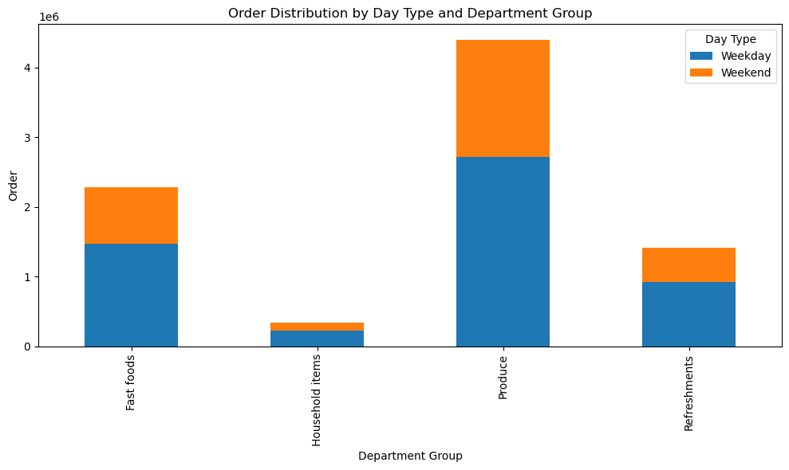
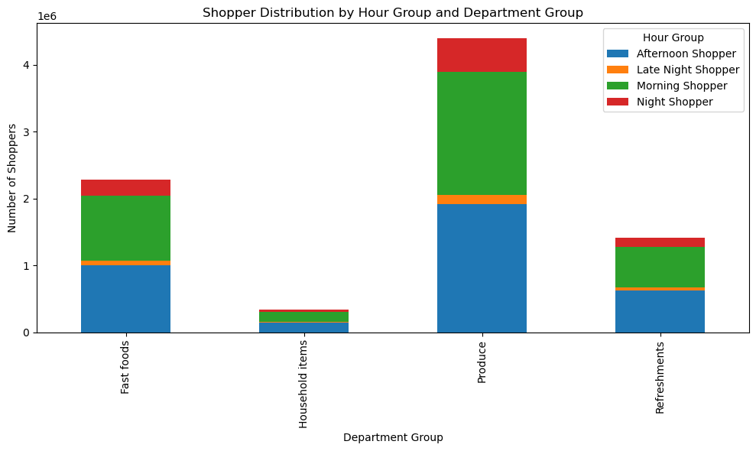

The stacked bar chart shows that the produce is widely ordered mostly on weekdays.
The stacked bar chart sshows that the produce is widely ordered by the customers who shops mostly in the afternoons.

7. Recommendations
 |  | Title page

Recommendations

In this tab you should include any recommendations you would made to Instcart in terms of their marketing strategy based on the questions posed in the brief.
Every key question has been covered in the Tasks of the Exercises - here you need to add an item - a visualisation or table/crosstable that is showing the answer in the data, acompanied by a comment from you.
Please, list the questions below and add the answer underneath.

Questions | Recommendations
Key Question 1: The sales team needs to know what the busiest days of the week and hours of the day are (i.e., the days and times with the most orders) in order to schedule ads at times when there are fewer orders. The busiest days of the week are Saturday and Sunday while the majority of orders are placed between late morning and early afternoon, peaking around midday and early evenings. There are significantly fewer orders placed during early morning and late evening hours. | To optimize operations and maximize sales, focus on enhancing staffing and inventory levels during peak hours on Saturdays and Sundays, particularly from late morning to early afternoon. Implement targeted marketing campaigns and promotions to drive orders during these peak times. Additionally, consider introducing special deals or incentives for early morning and late evening hours to boost sales during these off-peak periods.
Key Question 2: They also want to know whether there are particular times of the day when people spend the most money, as this might inform the type of products they advertise at these times. People spend the most money around the early morning hours (approximately 3-5 AM). | To capitalize on peak spending during early morning hours (3-5 AM), Instcart should focus on targeted advertising for high-demand products, introduce time-sensitive promotions, and highlight convenience items that cater to early risers and night owls. Engaging customers through timely notifications and social media updates can further boost sales during these hours.
Key Question 3: What’s the distribution among users in regards to their brand loyalty? Regular customers are the most frequent orderers, which is typical as they have established a habit of using the service. Loyal customers also contribute significantly, suggesting they are satisfied and continue to use the service. New customers form the smallest proportion, which is expected as they are still in the process of becoming regular users. | Regular customers should be rewarded through enhanced loyalty programs to maintain their satisfaction and repeat business. Loyal customers, who also contribute significantly, indicate satisfaction and should be nurtured with personalized incentives to foster continued loyalty. Given that, new customers form the smallest proportion, implementing effective onboarding strategies and targeted promotions can accelerate their integration into becoming regular users.
Key Question 4: Are there differences in ordering habits based on a customer’s loyalty status? Yes, ordering habits differ significantly based on customer loyalty status. Regular and loyal customers order more frequently and have higher average order values, often exploring a wider range of products and engaging more with the brand. They also benefit from exclusive promotions and loyalty discounts. In contrast, new customers order less frequently, typically make smaller purchases, and rely more on general promotions as they are still building trust and familiarity with the brand. | Regular and loyal customers exhibit higher frequency and higher average order values, benefiting from exclusive promotions and loyalty rewards. New customers, while less frequent and making smaller purchases initially, can be engaged through targeted onboarding and promotional strategies aimed at building trust and encouraging repeat business. Personalized marketing efforts should focus on understanding and catering to the distinct preferences and behaviors of each customer segment. Continuous feedback loops are crucial for refining strategies and improving customer satisfaction across all levels of loyalty. Overall, optimizing loyalty programs, enhancing personalized marketing, and refining onboarding processes are key to maximizing customer retention and satisfaction.
Key Question 5: Are there differences in ordering habits based on a customer’s region? Customers habit order during the week and weekend for each regions shows orders are more predominant in the South. The South region shows the highest number of orders both during the week and on weekends. This indicates a strong customer base in the South. In the Midwest and west regions, Both regions have higher orders during weekdays than weekends, suggesting that customers in these regions prefer ordering on weekdays. Higher orders on weekays might indicate that customers in this region prefer shopping on weekdays. The South region consistently has the highest number of shoppers across all hour groups, indicating a very active customer base throughout the day and night. The West region also shows significant activity, particularly in the afternoon and morning.The Midwest has a balanced distribution with notable activity in the afternoon and morning.The Northeast has the lowest number of shoppers in each hour group compared to other regions, but still shows consistent shopping habits throughout the day. In terms of the various department groups, in the Midwest, Fast Foods has the highest number of orders. In the Northeast, the pattern is similar, but with overall lower numbers compared to the Midwest. The South shows the highest activity, especially in Fast Foods and Produce, indicating a strong customer base. Overall, Produce dominates the order distribution across all regions. Categorizing income earners by region, the mid earners earn more cut across all regions. In terms of the age distribution, The South generally shows the highest numbers in all age categories, while the Northeast and West exhibit moderate variations across these groups. Categorizing customers into low and high spenders based on their spending habits. Recent trends show an increase in low spenders and a decrease in high spenders. Across four regions—Midwest, Northeast, South, and West—low spenders v | The South region consistently displays the highest order volumes throughout weekdays and weekends, suggesting an engaged customer base. In contrast, the Midwest and West regions show a preference for weekday orders. Across all regions, Produce emerges as a popular category, particularly in the South. Middle earners are prominently represented across all regions, influencing consumer behavior and purchasing power. To optimize marketing strategies, focus on the South's diverse age demographics to capitalize on their consistent shopping habits and preferences. Instacart should als ensure that they adjust their strategies to cater to the growing low spender segment while retaining high spenders..
Key Question 6: Is there a connection between age and ordering habits, number of dependants? There is not much of a connection between age and the ordering habits. Instacart's service is particularly popular among middle-aged and older customers, who collectively represent over 80% of high-activity users.On the other hand, in terms of number of dependants, there is no clear comnection between age and the number of dependants. If the line slopes upwards as age increases, this might actually suggest there may be a positive correlation between age and the number of dependants, and if the line slopes downwards, it suggests a negative correlation where older individuals tend to have fewer dependants. | Targeting middle-aged and older customers is recommended, as they constitute over 80% of high-activity users on Instacart. To understand consumer dynamics better, explore correlations between age and the number of dependents. Tailor marketing strategies accordingly: if there's a positive correlation (more dependents with age), focus on family-oriented offerings; if negative (fewer dependents with age), cater to older individuals' preferences. Use these insights to refine customer segmentation and enhance personalized marketing efforts, optimizing engagement and satisfaction across different demographic groups.
Key Question 7: What different classifications does the demographic information suggest? Age? Income? Certain types of goods? Family status? Demographic classifications based on age, income, types of goods, and family status help understand consumer behavior and preferences. Age groups range from middle aged to old aged, each with distinct needs and interests. Income levels influence purchasing power, from low to high, affecting spending patterns on essentials versus luxury goods. Consumer preferences vary with types of goods, such as budget-conscious or eco-friendly products. Family status, including single adults, married, or single parents, affects household needs and lifestyle choices, guiding tailored marketing and service strategies. | By carefully considering these demographic classifications and tailoring marketing efforts accordingly, businesses can effectively meet the diverse needs of their consumer base and enhance customer satisfaction and loyalty.

Conclusively,
In the Southern region, characterized by its substantial consumer base, there exists a notable disparity between high and low spenders. With 110,283 high spenders and 5,237,105 low spenders, the region demonstrates a pronounced preference towards budget-conscious purchasing habits. Instacart can capitalize on this by emphasizing on the affordability and value in their service offerings. Strategies should focus on promoting cost-effective alternatives, discounts, and bundle deals to attract the predominant low spender demographic. Additionally, enhancing user engagement through personalized recommendations and promotions tailored to Southern preferences could foster greater customer loyalty. By aligning with the region's spending patterns and preferences, Instacart can strategically increase sales and market penetration in the Southern market.

